Column
File name | Acid Gas Cleaning with MEDA.hsc
Unit Operation | Regenerator

Workflow
1. Open attached Acid Gas Cleaning with MEDA.hsc file.
2. Click on the Datasheet button on the ribbon.
3. Select a server to connect, then connect to a workspace.
4. Go to Mapper tab, click on the hyperlink of TS1 to open Object Mapping screen.
5. Select 'Column' for the MapAs Column, and 'Create' for Workspace Object column.
6. Make sure the ports of valve are mapped automated.
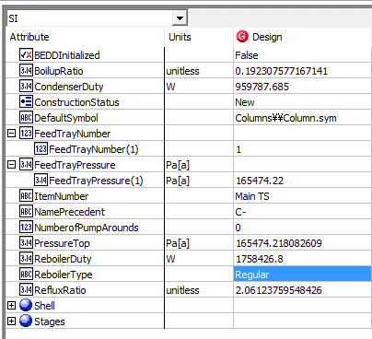
7. Click on Close icon at the top right to close the Object Mapping screen.
8. Click Save Change and Transfer button. Make sure VLV-100 is created and data transfer complete dialog pops up. Click OK to close it.
9. Click on the Explorer tab, expand the control vavle to see all attributes, make sure all data are transferred correctly.

 |  |  | Notes:
Expected Results |  |  | 1. Results in black with Acid Gas Cleaning with MEDA.hsc
 |  |  | 2. Results in green, please use
Column

Tray Section
Index Number | Attributes | AbeAds Class View | ABE Class/Ads Tray Section | Hysys Data | Unit

1 | Feed Tray Number |  |  | 1_Main TS
2 | Alternate Feed Location (same with Feed Tray Number) |  |  | 1_Main TS
3 | Top Tray Pressure |  |  | 165.47422 | kPa
4 | Feed Tray Pressure |  |  | 165.47422 | kPa
57 | Number of Pump Arounds |  |  | 0
58 | Number of Tray sizing sections |  |  | 1
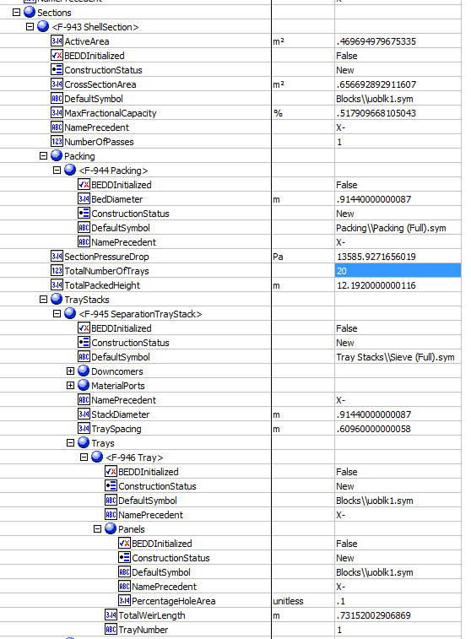
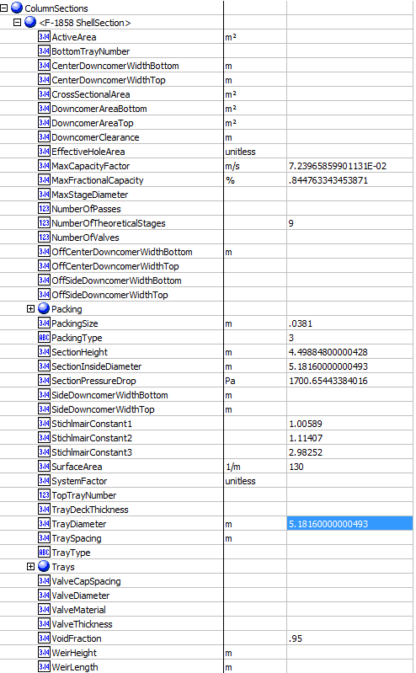
59 | BoilupRatio |  |  | 0.19200874138
60 | CondenserDuty |  |  | 929787.685 | W
61 | ReboilerDuty |  |  | 1758426.8 | W
62 | ReboilerType |  |  | Regular
63 | Reflux Ratio |  |  | 2.9180630218

Column Section
6 | Vessel Section |  |  | CS1
35 | number of theorectical stages in each section |  |  | 20
51 | tower inside diameter |  |  | 5.1816 | m
52 | packed height |  |  | 4.498848 | m
53 | packing type |  |  | PALL
54 | packing size |  |  | 1.5-IN OR 38-MM
55 | surface area |  |  | 130 | m2/m3
56 | section pressure drop |  |  | 17.001939421 | mbar
23 | Tower section diameter |  |  | 0.9144 | m
24 | number of passes in section |  |  | 1
25 | tray spacing |  |  | 0.6096 | m
26 | column cross sectional area |  |  | 0.65669289291 | m2
27 | active area |  |  | 0.46969497968 | m2
28 | hole area as A% of active area |  |  | 0.1 | unitless
29 | downcomer width top (side) |  |  | 182.88001938 | mm
30 | downcomer width bottom (bottom) |  |  | 182.88001938 | mm
31 | downcomer area top (side) |  |  | 9.35E-02 | m2
32 | downcomer area bottom (side) |  |  | 9.35E-02 | m2
33 | Total weir length |  |  | 0.73152002907 | m
69 | MaxCapacityFactor |  |  | 7.24E-02 | m/s
68 | MaxFractionalCapacity |  |  | 84.467704472 | %
65 | StichlmairConstant1 |  |  | 1.00589
66 | StichlMairConstant2 |  |  | 1.11407
67 | StichlMairConstant3 |  |  | 2.98252
64 | void fraction |  |  | 0.95 | unitless

Trays
9 | Tray Number |  |  | 1
10 | vapor to tray temperature |  |  | 379.587089 | K
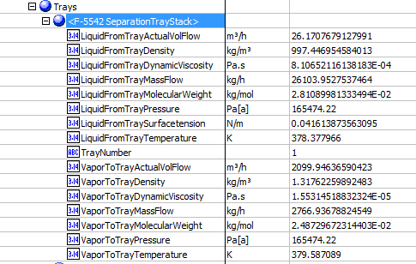
11 | Vapor to tray pressure |  |  | 165.47422 | kPa
12 | vapor to tray mass flow |  |  | 2766.9368104 | kg/h
13 | vapor to tray actual volumetic flow |  |  | 2009.9463827 | m3/h
14 | Vapor to Tray molecular weight |  |  | 22.730553849 | g/mol
15 | Vapor to tray density |  |  | 1.1936735789 | kg/m3
16 | Liquid from tray temperature |  |  | 378.377966 | K
17 | Liquid from tray actual volumetric flow |  |  | 26.170768122 | m3/h
18 | Liquid from tray mass flow |  |  | 26103.952963 | kg/h
19 | liquid from tray dynamic viscosity |  |  | 0.81062511614 | cP
20 | liquid from tray density |  |  | 997.44695458 | kg/m3
21 | liquid from tray surface tension |  |  | 41.613873563 | dyne/cm
22 | liquid from tray molecular weight |  |  | 28.108998133 | g/mol

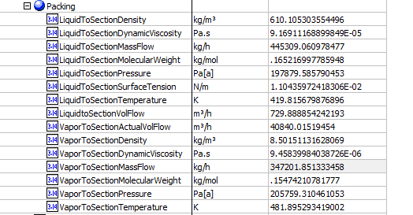
Packing
34 | Packing section |  |  | CS1
36 | Vapor to section temperature |  |  | 482.32098292 | K
37 | vapor to section pressure |  |  | 205.75931046 | kPa
38 | vapor to section molecular weight |  |  | 155.80139559 | g/mol
39 | vapor to section density |  |  | 8.5127979984 | kg/m3
40 | vapor to section dynamic viscosity |  |  | 9.6072397361 | cP
41 | vapor to section mass flow |  |  | 335646.1922 | kg/h
42 | vapor to section actual volumetric flow |  |  | 11.85 | m3/s
43 | liquid to section temperature |  |  | 419.81567988 | K
44 | liquid to section pressure |  |  | 197.87958579 | kPa
45 | liquid to section molecular weight |  |  | 165.21699779 | g/mol
46 | liquid to section density |  |  | 610.10530355 | kg/m3
47 | liquid to section dynamic viscosity |  |  | 9.17E-02 | cP
48 | liquid to section surface tension |  |  | 11.043597242 | dyne/cm
49 | liquid to section mass flow |  |  | 445309.06454 | kg/h
50 | liquid to section volumetric flow rate |  |  | 0.20274690558 | m3/s

PumpAround
70 | Drawstage |  |  | 2_Main TS
71 | return stage |  |  | 1_Main TS
72 | return temperature |  |  | 342.45067218 | K
73 | volumetric flow |  |  | 331.22942652 | m3/h
74 | heat duty |  |  | -16118912.606 | W
75 | draw temperature |  |  | 440.21158262 | K

Condenser
60 | CondenserDuty |  |  | 929787.685 | W

Reboiler
61 | ReboilerDuty |  |  | 1758426.8 | W

Stage
 | ComponentRefNameLiq[]
 | ComponentRefNameVap[]
 | IsCondenserStage
 | IsReboilerStage
 | LiquidComponentMolefraction[]
 | StageCO2Efficiency
 | StageExternalHeatFlow
 | StageFeedMassFlow
 | StageFeedMolarFlow
 | StageFracHeavyAqueousLiquid
 | StageH2SEfficiency
 | StageHeatFlow
 | StageHETP
 | StageHoldupHeatFlow
 | StageLightLiquidFraction
 | StageLiquid1BubblePointPressure |  |  |  | Kpa
 | StageLiquid1BubblePointTemperature
 | StageLiquid1Compressibility
 | StageLiquid1DewPointPressure
 | StageLiquid1DewPointTemperature
 | StageLiquid1MassDensity
 | StageLiquid1MassEnthalpy
 | StageLiquid1MassEntropy
 | StageLiquid1MassHeatCapacity
 | StageLiquid1MolarDensity
 | StageLiquid1MolarEnthalpy
 | StageLiquid1MolarEntropy
 | StageLiquid1MolarHeatCapacity
 | StageLiquid1MolecularWeight
 | StageLiquid1Pressure
 | StageLiquid1SurfaceTension
 | StageLiquid1Temperature
 | StageLiquid1Viscosity
 | StageLiquid2BubblePointPressure
 | StageLiquid2BubblePointTemperature
 | StageLiquid2Compressibility
 | StageLiquid2DewPointPressure
 | StageLiquid2DewPointTemperature
 | StageLiquid2MassDensity
 | StageLiquid2MassEnthalpy
 | StageLiquid2MassEntropy
 | StageLiquid2MassHeatCapacity
 | StageLiquid2MolarDensity
 | StageLiquid2MolarEnthalpy
 | StageLiquid2MolarEntropy
 | StageLiquid2MolarHeatCapacity
 | StageLiquid2MolecularWeight
 | StageLiquid2Pressure
 | StageLiquid2SurfaceTension
 | StageLiquid2Temperature
 | StageLiquid2Viscosity
 | StageLiquidBubblePointPressure
 | StageLiquidBubblePointTemperature
 | StageLiquidCompressibility
 | StageLiquidDewPointPressure
 | StageLiquidDewPointTemperature
 | StageLiquidDrawMassFlow
 | StageLiquidDrawMolarFlow
 | StageLiquidFeedMassFlow
 | StageLiquidFeedMolarFlow
 | StageLiquidFlowEstimate
 | StageLiquidHeatFlow
 | StageLiquidMassDensity
 | StageLiquidMassEnthalpy
 | StageLiquidMassEntropy
 | StageLiquidMassFlow
 | StageLiquidMassHeatCapacity
 | StageLiquidMolarDensity
 | StageLiquidMolarEnthalpy
 | StageLiquidMolarEntropy
 | StageLiquidMolarFlow
 | StageLiquidMolarHeatCapacity
 | StageLiquidMolecularWeight
 | StageLiquidPressure
 | StageLiquidSurfaceTension
 | StageLiquidTemperature
 | StageLiquidViscosity
 | StageLiquidVolumetricFlow
 | StageMoleHoldup
 | StageName
 | StageOverallEfficiency
 | StagePressure
 | StageSubcoolDeltaTemperature
 | StageSubcoolTemperature
 | StageTemperature
 | StageTemperatureEstimate
 | StageVaporBubblePointPressure |  |  | empty | Kpa
 | StageVaporBubblePointTemperature
 | StageVaporCompressibility
 | StageVaporDewPointPressure
 | StageVaporDewPointTemperature
 | StageVaporDrawMassFlow
 | StageVaporDrawMolarFlow
 | StageVaporFeedMassFlow
 | StageVaporFeedMolarFlow
 | StageVaporFlowEstimate
 | StageVaporHeatFlow
 | StageVaporMassDensity
 | StageVaporMassEnthalpy
 | StageVaporMassEntropy
 | StageVaporMassFlow
 | StageVaporMassHeatCapacity
 | StageVaporMassVaporFraction
 | StageVaporMolarDensity
 | StageVaporMolarEnthalpy
 | StageVaporMolarEntropy
 | StageVaporMolarFlow
 | StageVaporMolarHeatCapacity
 | StageVaporMolecularWeight
 | StageVaporPressure
 | StageVaporTemperature
 | StageVaporVaporFraction
 | StageVaporViscosity
 | StageVaporVolumetricFlow
 | VaporComponentMolefraction[]

